PaymentEventSchedule
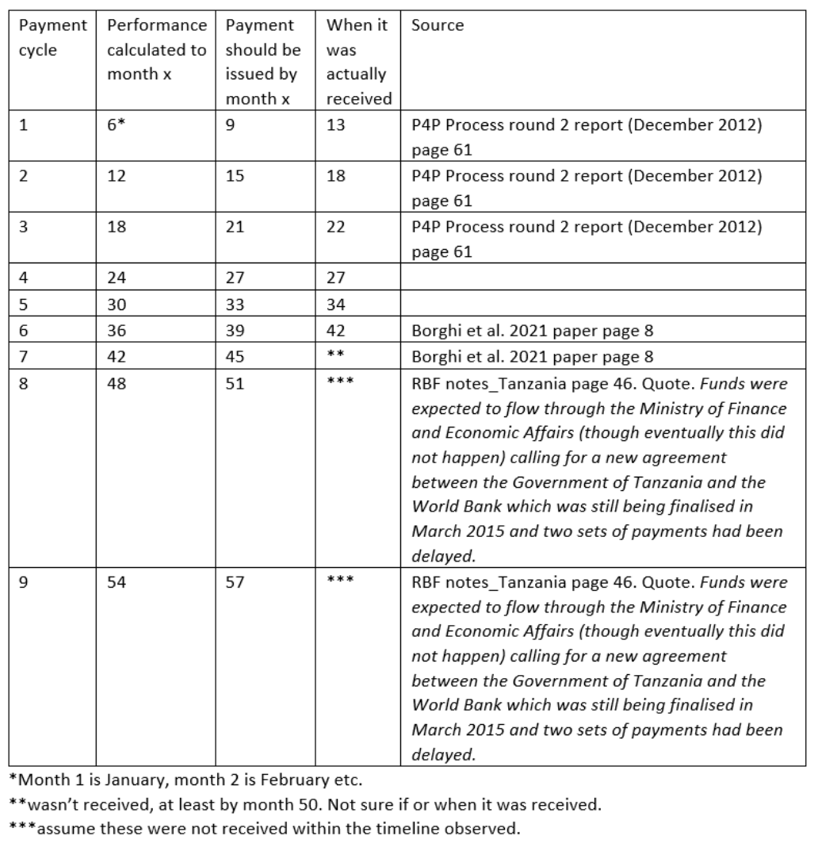
Payment Cycle | Performance Calculated to Month x | Payment should be issued by month x | When it was actually received | Delay
1 | 6 | 9 | 13 | 4
2 | 12 | 15 | 18 | 3
3 | 18 | 21 | 22 | 1
4 | 24 | 27 | 27 | 0
5 | 30 | 33 | 34 | 1
6 | 36 | 39 | 42 | 3
7 | 42 | 45 | >50 | 6
8 | 48 | 51
9 | 54 | 57

Parity census 12
Parity | Percentage | Fraction | Total | wi | PPR | Proportion
0 | 24.1 | 0.241 | 2899925.285 | 1 | 0.759 | 450
1 | 13.2 | 0.132 | 1588340.82 | 0.759 | 0.826 | 247
2 | 12.6 | 0.126 | 1516143.51 | 0.627 | 0.799 | 236
3 | 10.9 | 0.109 | 1311584.465 | 0.501 | 0.782 | 204
4 | 9.5 | 0.095 | 1143124.075 | 0.392 | 0.758 | 178
5 | 7.4 | 0.074 | 890433.49 | 0.297 | 0.751 | 139
6 | 6.3 | 0.063 | 758071.755 | 0.223 | 0.717 | 118
7 | 4.7 | 0.047 | 565545.595 | 0.16 | 0.706 | 88
8 | 3.7 | 0.037 | 445216.745 | 0.113 | 0.673 | 70
9 | 2.7 | 0.027 | 324887.895 | 0.076 | 0.645 | 51
10 | 4.9 | 0.049 | 589611.365 | 0.049 | 0.430 | 92
11 |  |  |  |  | 0.215
12 |  |  |  |  | 0
TOTAL | 100 | 1 | 12032885

 |  |  |  |  | 0.750

Bonus Performance
 | 2010 | Cycle 1 |  | Cycle 2 |  | Cycle 3 |  | Cycle 4 |  | Cycle 5 |  | Cycle 6 |  | Cycle 7
 | BL | Target | Performance | Target | Performance | Target | Performance | Target | Performance | Target | Performance | Target | Performance | Target | Performance
A | 0.13 | 0.28 | 0.11 | 0.26 | 0.10 | 0.25 | 0.22 | 0.32 | 0.35 | 0.45 | 0.86 | 0.85 | 0.83 | 0.88
B | 1.12 | 0.85 | 0.86 | 0.85 | 0.28 | 0.38 | 0.71 | 0.76 | 0.70 | 0.75 | 1.06 | 0.85 | 1.49 | 0.85 | 1.20
C | 0.84 | 0.89 | 0.88 | 0.85 | 0.74 | 0.79 | 0.60 | 0.65 | 0.93 | 0.85 | 0.93 | 0.85 | 1.23 | 0.85 | 0.89

 |  | C1 | C2 | C3 | C4 | C5 | C6 | C7
A | 0.13 | 0.11 | 0.10 | 0.22 | 0.35 | 0.86 | 0.83 | 0.60
B | 1.00 | 0.86 | 0.28 | 0.71 | 0.70 | 1.00 | 1.00 | 1.00
C | 0.84 | 0.88 | 0.74 | 0.60 | 0.93 | 0.93 | 1.00 | 0.89
 | 0.66 | 0.62 | 0.37 | 0.51 | 0.66 | 0.93 | 0.94

Calibration & Validation Data

